Instructions & T&Cs READ FIRST
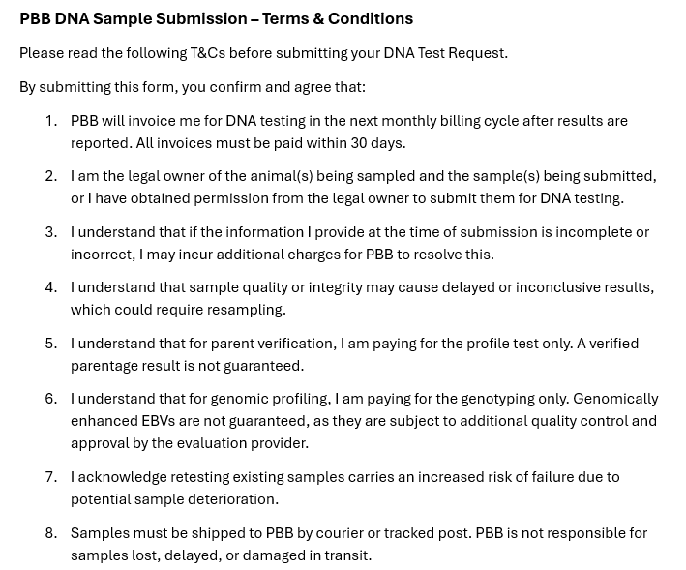
Use this form to order bovine DNA tests using Weatherbys Scientific Australia:

Step 1: Please read the following instructions carefully.
Once you have completed all the required sections of the Application Form: 1) Print a copy of the form and send this along with your samples to PBB. 2) Email the electronic copy to dna@pbbnz.com.
Samples must be sent via courier or tracked post to:
PBBNZ DNA
Courier to: 75 South Street
Tracked post to: PO Box 503
Feilding 4740
Phone: (06) 323 4484

Please list your name and contact details on the parcel.
Disclaimer: If the required test(s) are not confirmed by the breeder within 5 working days, PBB will request the relevant breed SNP bundle option.

Step 2: Complete your Application Form:

In the next tab along (Application Form), please fill in the customer details section:

Customer Details: Please complete this section in full - name, address, phone number, and email.
Breed: and Herd Prefix:
Sample Type: e.g TSU, Hair or Semen

Now provide details for each of samples being submitted - please ensure you carefully record the following information:

Barcode: This is the actual barcode (or number) shown on the TSU or Hair Card
Registration/Herdbook number - this is the animal's unique ID that the results will be reported against.
Animal Name (incl Prefix) - the animal's registered name (if applicable). |  | þ | I agree to the PBB DNA sample submission Terms and Conditions outlined above.
Sex of animal - Male (M) or Female (F)
Birth Year: Year the animal was born
Parentage (PV) includes both sire and dam verification. Sire/Dam details must be included on this form. List extra possible Sires/Dams on the Sire and Dam tabs. If PV is not required or cannot be completed (parents not SNP tested) please leave blank.
Tests:
Three (3) columns have been provided for you to select tests (Test 1, Test 2 & Test 3). Each column is set up as a drop down menu for you to select the bundles or tests that you require. A full list of test options can also be viewed to the right of the Application Form in Column S or below for quick reference.

Breed Bundles: | Bundle Inclusions:
WBYS Angus Bundle | [85K SNP, Developmental Duplication (DD), Contractual Arachnodactyly (CA),Neuropathic Hydrocephalus (NH) , Alpha-Mannosidosis (MA), Arthrogryposis multiplex (AM)]
WBYS Murray Grey Bundle | [85K SNP, Poll/Horn, Contractual Arachnodactyly (CA), Myostatin (9 Variants), Coat Colour (Red or Black), Coat Colour Dilutor PMEL17_64G_A, Coat Colour Dilutor PMEL17_delTTC]
WBYS Hereford Bundle | [85K SNP, Hypotrichosis KRT71, Idiopathic Epilepsy, Coat Colour (Red or Black), Coat Colour Dilutor PMEL17_delTTC, Coat Colour Dilutor PMEL17_1835C_A, Maple Syrup Urine Disease, Poll/ Horn]
WBYS Red Devon Bundle | [85K SNP, Poll/Horn)
WBYS Shorthorn Bundle | [85K SNP, Poll/Horn)
WBYS Simmental Bundle | [85K SNP,Poll/Horn, Coat Colour (Red or Black), Coat Colour Dilutor PMEL17_delTTC]
WBYS Speckle Park Bundle | [85K SNP, Poll/Horn, Coat Colour (Red or Black), Myostatin (9 Variants) ]
WBYS Charolais | [85K SNP, Poll/Horn, Coat Colour (Red or Black), Myophosphorylase, Myostatin (9 Variant), Progressive Ataxia (BPA) ]
WBYS South Devon | [85K SNP, Poll/Horn, Myostatin (9 Variants) ]

Add-on Tests (85K SNP Required):
Poll/Horn
Coat Colour Dilutor PMEL17_1835C_A
Coat Colour Dilutor PMEL17_delTTC
Coat Colour (Black & Red)
Developmental duplications (DD)
Neuropathic hydrocephalus (NH)
Alpha-mannosidosis 961 (MA) Angus
Hypotrichosis KRT71 (HYPO)
Idiopathic Epilepsy (IE)
Maple Syrup Urine Disease (MSUD) Hereford
Maple Syrup Urine Disease (MSUD) Shorthorn
Mandibulofacial Dysostosis (MD)
Myostatin 9 variants
Progressive Ataxia (BPA)
Myophosphorylase
Bulldog Dwarfism BD1
PBB Meat Tenderness Markers
Standalone Tests (Cannot be added to the 85K SNP):
Arthrogryposis multiplex (AM)
Contractual arachnodactyly (CA)
Delayed Blindness (CLN)
Low Density Parentage Only

Reporting: Your results report will be delivered to PBBNZ when testing has been completed.

